Welcome
Welcome to the:

Infrastructure Charges Calculator
Townsville City Council

For infrastructure charge notices raised between 1 July 2026 and 31 June 2027, as per council resolution dated 1 July 2026. Charges raised after 31 June 2027 will be subject to different calculator.
Please note: The Infrastructure Charges Calculators are provided for informational and general guidance purposes only. The calculations generated by this tool are estimates only and may not reflect the infrastructure charges applicable to your development. For a precise and up-to-date estimate, please contact Council directly.
DISCLAIMER: This calculator is based on, but does not supersede the infrastructure charges resolution, and the relevant statutory provisions (adopted charges). The currency, accuracy and validity of the calculations, including the underlying assumptions and interpretations of resolutions, etc. are not guaranteed. In this respect, the user is referred to the actual resolution, associated regulations and provisions of the Planning Act 2016 and any calculations and advice prepared by council.
Version | 22
 |  | INDEX

 |  | Instructions and notes

 |  | Infrastructure Charge Calculation

 |  | Service area map

 |  | Version

Calculation
Infrastructure Charge Calculation
Version 22 |  |  |  |  |  | For development approvals decided between | 2026-07-01 | and | 2027-06-30
Return to index

Link to map
1. | Details |  |  |  | 2. | Location (see map)
 | Item | Details |  |  |  | Residential |  | Non-residential
 | Name of applicant |  |  |  |  | A - Fully serviced urban area |  | A1
 | Development permit no.
Note: For certain uses including Port Services (ferry terminal), Air Services, Transport Depot and any other use not listed in the proposed land use table, the adopted charge will be determined in accordance with the most comparable use provision in this resolution.
 | Address
 | Zoning
 | Description
 | Date permit application was properly made
 | Decision date
 | Payment date

3 | Proposed land use
 | Consolidated Description |  | Unit | Quantity |  | At time of raising charge notice
 |  |  |  |  | Resolution rate ($) | Applicable charge ($)

 | Motor sport facility |  | m2 GFA | 50 | 93.82 |  |  |  |  |  | 4,691
 |  |  | 0
 |  |  | 0
 |  |  | 0
 |  |  | 0
 |  |  |  |  |  |  |  |  |  |  | 4,691

4 | Credit land use
 | Consolidated Description |  | Unit | Quantity |  | At time of raising charge notice
 |  |  |  |  | Resolution rate ($) | Applicable charge ($)

 |  |  | 0
 |  |  | 0
 |  |  | 0
 |  |  | 0
 |  |  | 0
 |  |  |  |  |  |  |  |  |  |  | -

5 | Net charge applicable
 | Proposed land use charges less Credit land use charges |  |  |  |  |  |  |  |  | At time of raising charge notice | 4,691

7

Map
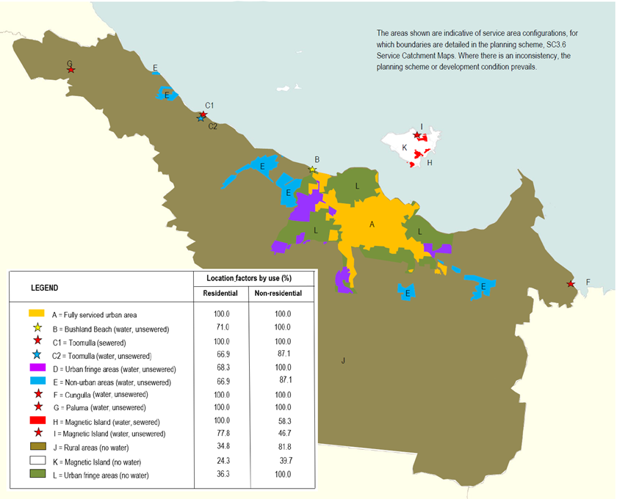
Service area map
Return to index

