Welcome
Welcome to the:

Infrastructure Charges Calculator
Townsville City Council

For infrastructure charge notices raised between 1 July 2018 and 30 June 2019, as per council resolution dated 26 June 2018.
This calculator is based on, but does not supersede the infrastructure charges resolution, and the state planning regulatory provision (adopted charges). The currency, accuracy and validity of the calculations, including the underlying assumptions and interpretations of resolutions, etc. are not guaranteed. In this respect, the user is referred to the actual resolution, SPRP and provisions of the Planning Act 2016.
Version | 14.13
 |  | INDEX

 |  | Instructions and notes

 |  | Infrastructure Charge Calculation

 |  | Service area map

 |  | Version

Calculation
Infrastructure Charge Calculation
Version 14.13 |  |  |  |  |  | For development approvals decided between |  |  | 2018-07-01 | and | 2019-06-30
Return to index |  |  |  |  |  | and subsequent payments between |  |  | 2023-07-01 | and | 2024-06-30

Link to map
1. | Details |  |  |  | 2. | Catchment
 | Item |  | Details |  |  | Charge catchment
 | Name of applicant
 | Development permit no.
 | Address |  |  |  | 3. | Indexation at time of payment
 | Description |  |  |  |  | Item |  | Qtr | Index
 | Date permit application was properly made |  |  |  |  | Decision quarter |  | 2018-12-01 | 112.8
 | Decision date |  |  |  |  | Payment quarter |  | 2023-12-01 | 131.1
 | Payment date |  |  |  |  | Adjustment factor |  |  | 1.162

4. | Proposed land use
 | Consolidated Description |  |  | Unit | Quantity | At time of raising charge notice (Dec'18) |  |  |  |  |  |  |  |  | At payment (Dec'23)
 |  |  |  |  |  | Resolution rate ($/unit) |  | Prescribed Amount ($/unit) |  |  |  |  | Applicable rate ($/unit) | Applicable charge ($) | Resolution rate ($/unit) | Applicable rate ($/unit) | Applicable charge ($)
 |  |  |  |  |  | Adopted | FPA | Category |  |  | Cap | FPA
 |  |  |  | 0
 |  |  |  | 0
 |  |  |  | 0
 |  |  |  | 0
 |  |  |  | 0
 |  |  |  |  |  |  |  |  |  |  |  |  |  | - |  |  | -

5. | Credit land use
 | Consolidated Description |  |  | Unit | Quantity | At time of raising charge notice (Dec'18) |  |  |  |  |  |  |  |  | At payment (Dec'23)
 |  |  |  |  |  | Resolution rate ($/unit) |  | Prescribed Amount ($/unit) |  |  |  |  | Applicable rate ($/unit) | Applicable charge ($) | Resolution rate ($/unit) | Applicable rate ($/unit) | Applicable charge ($)
 |  |  |  |  |  | Adopted | FPA | Category |  |  | Cap | FPA
 |  |  |  | 0
 |  |  |  | 0
 |  |  |  | 0
 |  |  |  | 0
 |  |  |  | 0
 |  |  |  |  |  |  |  |  |  |  |  |  |  | - |  |  | -

6 | Net charge applicable
 | Proposed land use charges less Credit land use charges |  |  |  |  |  |  |  |  |  |  | At time of raising charge notice (Dec'18) |  | - | At payment (Dec'23) |  | -

6. | Offsettable infrastructure relevant to the permit
 | Item | Trunk infrastructure conditioned on the permit |  |  |  |  |  |  |  |  |  |  |  |  | At payment (Dec'23)
 |  | Description (incl. LGIP ID, type, size, length & ECM of value agreement) |  |  |  |  |  |  |  |  |  |  |  |  | See charge resolution for valuation |  | Agreed value
 | Water
 | Sewer
 | Roads
 | Pathways
 | Parks
 | Total |  |  |  |  |  |  |  |  |  |  |  |  |  |  |  | -

 |  |  |  |  |  |  |  | 7 | Amount payable (considering net charge, offsets, refunds and agreements)
 |  |  |  |  |  |  |  |  | Item |  |  |  |  |  | At payment (Dec'23)
 |  |  |  |  |  |  |  |  |  |  |  |  |  |  |  |  | Amount ($)
 |  |  |  |  |  |  |  |  | Net charge |  |  |  |  |  |  |  | -
 |  |  |  |  |  |  |  |  | Offset value |  |  |  |  |  |  |  | -
 |  |  |  |  |  |  |  |  | Refund value |  |  |  |  |  |  |  | -
 |  |  |  |  |  |  |  |  | Use of other refunds as offsets by agreement
 |  |  |  |  |  |  |  |  | ECM no. of agreement
 |  |  |  |  |  |  |  |  | Amount payable (subject to Infrastructure Charge Notice) |  |  |  |  |  |  |  | -

 |  |  |  |  |  |  |  | 8 | Validation
 |  |  |  |  |  |  |  |  | Item |  |  | Name and signature |  |  | Name and signature
 |  |  |  |  |  |  |  |  | Calculated by:

 |  |  |  |  |  |  |  |  | Confirmed by:

7

Map
Service area map
Return to index

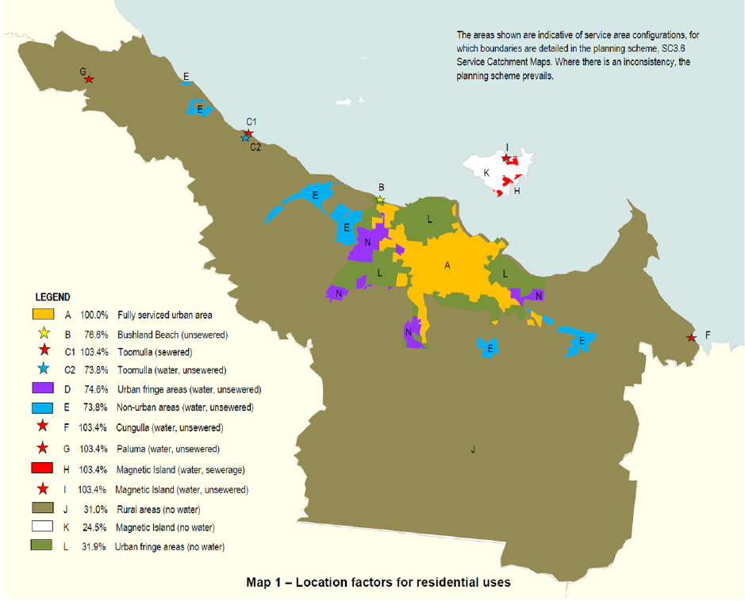

G (water)

C (sewered)
I (water, no sewer)

K
B (urban, water, no sewer)
H

E
D
A

F (water)

J

